Bug Report
Project Name : Restful Booker API Testing (Bug Report)
Testing Type : Functional API Testing
Tools : Postman, Newman, Excel
API Scope : POST /booking and GET /booking
Requirements Basis : Test assumptions — formal business requirements unavailable

Bug ID | Test Case ID | Module | Endpoint | Summary | Preconditions | Test Data | Steps to Reproduce | Expected Result | Actual Result | Severity | Priority | Status | Screen shot/ recording | Comments
CB-BUG-001 | CB-TC-005 | Booking API | POST /booking | Missing firstname causes 500 Internal Server Error | API is available. All other booking fields contain valid values. | firstname omitted | 1. Open Postman. 2. Select POST. 3. Enter /booking endpoint. 4. Add valid booking data. 5. Remove firstname. 6. Send request. 7. Observe response. | API should reject the request with an appropriate client-error response indicating that the required firstname field is missing. | API returns 500 Internal Server Error. | High | High | Open |  | firstname is treated as a required field for this portfolio test. The 500 response is documented as the defect.
CB-BUG-002 | CB-TC-008 | Booking API | POST /booking | Missing lastname causes 500 Internal Server Error | API is available. All other booking fields contain valid values. | lastname omitted | 1. Open Postman. 2. Select POST. 3. Enter /booking endpoint. 4. Add valid booking data. 5. Remove lastname. 6. Send request. 7. Observe response. | API should reject the request with an appropriate client-error response indicating that the required lastname field is missing. | API returns 500 Internal Server Error. | High | High | Open |  | lastname is treated as a required field for this portfolio test. The 500 response is documented as the defect.
CB-BUG-003 | CB-TC-013 | Booking API | POST /booking | Missing totalprice causes 500 Internal Server Error | API is available. All other booking fields contain valid values. | totalprice omitted | 1. Open Postman. 2. Select POST. 3. Enter /booking endpoint. 4. Add valid booking data. 5. Remove totalprice. 6. Send the request. 7. Observe the response. | API should reject the request with an appropriate client-error response indicating that the required totalprice field is missing. | API returns 500 Internal Server Error. | High | High | Open |  | totalprice is treated as a required numeric field for this portfolio test. The 500 response is documented as the defect.
CB-BUG-004 | CB-TC-023 | Booking API | POST /booking | Invalid calendar date is accepted and normalized instead of being rejected | API is available. All other booking fields contain valid values. | checkin: "2026-02-30" | 1. Open Postman. 2. Select POST. 3. Enter /booking endpoint. 4. Add valid booking data. 5. Set checkin to 2026-02-30. 6. Send the request. 7. Observe the response | API should reject the request because 2026-02-30 is not a valid calendar date. | API accepts the request and returns the check-in date as 2026-03-02. with a 200 ok | High | High | Open |  | Portfolio test assumption: booking dates should represent valid calendar dates. The API should not silently transform an invalid date into a different date.
CB-BUG-005 | CB-TC-022 | Booking API | POST /booking | API accepts an invalid checkin date format | API is available. Other booking fields contain valid values. | checkin: "10-09-2026" checkout: "2026-09-15" | 1. Open Postman. 2. Select POST. 3. Enter /booking endpoint. 4. Add valid booking data. 5. Set checkin to 10-09-2026. 6. Set checkout to 2026-09-15. 7. Send the request. 8. Observe the response. | API should reject the request because the checkin value does not follow the expected YYYY-MM-DD date format. | API returns 200 OK, creates the booking, and converts checkin from 10-09-2026 to 2026-10-09 in the response. | High | High | Open |  | Portfolio test assumption: booking dates should follow a consistent YYYY-MM-DD format. The API silently interprets and transforms the submitted value instead of rejecting it.
CB-BUG-006 | CB-TC-024 | Booking API | POST /booking | Missing checkin causes 500 Internal Server Error | API is available. Other booking fields contain valid values. | checkin omitted; checkout: "2026-09-10" | 1. Open Postman. 2. Select POST. 3. Enter /booking endpoint. 4. Add valid booking data. 5. Remove the checkin field. 6. Keep checkout as 2026-09-10. 7. Send the request. 8. Observe the response. | API should reject the request with an appropriate client-error response indicating that checkin is missing. | API returns 500 Internal Server Error. | High | High | Open | 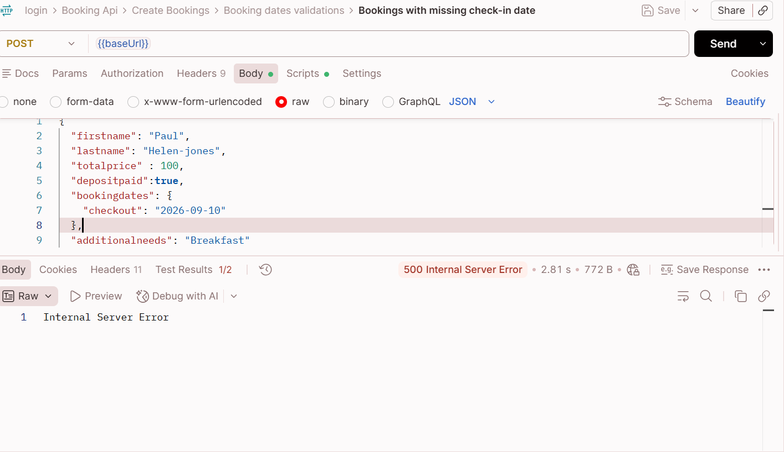 | Portfolio test assumption: checkin is treated as a required booking date. Missing client input should be handled through validation rather than a server error.
CB-BUG-007 | CB-TC-025 | Booking API | POST /booking | Missing checkout causes 500 Internal Server Error | API is available. Other booking fields contain valid values. | checkin: "2026-09-05" checkout omitted | 1. Open Postman. 2. Select POST. 3. Enter /booking endpoint. 4. Add valid booking data. 5. Remove the checkout field. 6. Send the request. 7. Observe the response. | API should reject the request with an appropriate client-error response indicating that checkout is missing. | API returns 500 Internal Server Error. | High | High | Open |  | Portfolio test assumption: checkout is treated as a required booking date. Missing client input should be handled through validation rather than a server error.
CB-BUG-008 | CB-TC-026 | Booking API | POST /booking | API accepts an empty checkin value | API is available. Other booking fields contain valid values. | checkin: "" | 1. Open Postman. 2. Select POST. 3. Enter /booking endpoint. 4. Add valid booking data. 5. Set checkin to an empty string. 6. Send the request. 7. Observe the response. | API should reject an empty checkin value with an appropriate client-error response and should not create a booking. | API returns 200 OK and accepts the request. | High | High | Open |  | Portfolio test assumption: checkin should contain a valid booking date. Empty date values should be rejected rather than accepted.
CB-BUG-009 | CB-TC-027 | Booking API | POST /booking | API accepts an empty checkout value | API is available. Other booking fields contain valid values. | checkout: "" | 1. Open Postman. 2. Select POST. 3. Enter /booking endpoint. 4. Add valid booking data. 5. Set checkout to an empty string. 6. Send the request. 7. Observe the response. | API should reject an empty checkout value with an appropriate client-error response and should not create a booking. | API returns 200 OK and accepts the request. | High | High | Open |  | Portfolio test assumption: checkout should contain a valid booking date. Empty date values should be rejected rather than accepted.
CB-BUG-010 | CB-TC-010 | Booking API | POST /booking | Decimal totalprice is truncated from 160.45 to 160 | API endpoint available; other booking fields valid | totalprice: 160.45 | 1. Open Postman. 2. Select POST. 3. Enter the/booking endpoint. 4. Submit a booking with totalprice set to 160.45. 5. Send the request. 6. Inspect the returned totalprice. | API should preserve the submitted totalprice value of 160.45 without changing its precision. | API returns 200 OK and creates the booking, but the response contains totalprice: 160 instead of 160.45. | High | High | Open |  | The API alters the submitted numeric value by removing the decimal portion.
CB-BUG-011 | CB-TC-020 | Booking API | POST /booking | Missing depositpaid causes 500 Internal Server Error | API endpoint available; other booking fields valid | depositpaid omitted; firstname: Henry; lastname: Elba-Jones; totalprice: 150; valid booking dates; additionalneeds: Breakfast | 1. Open Postman. 2. Select POST method. 3. Enter /booking endpoint. 4. Add valid booking data. 5. Remove depositpaid completely. 6. Verify other fields are valid. 7. Click Send. 8. Verify status code. 9. Verify whether a bookingid is generated. | The API should validate the missing depositpaid field and return an appropriate client-error response rather than an Internal Server Error. The deposit status should not be assumed when the field is omitted. | 500 Internal Server Error was returned. | High | High | Open |  | depositpaid is treated as a required Boolean field for this test. Missing required input should be handled through validation rather than causing a server-side error.
CB-BUG-012 | CB-TC-012 | Booking API | POST /booking | Empty totalprice is accepted and converted to null | API endpoint available; other booking fields valid | totalprice: "" | 1. Open Postman. 2. Select POST method. 3. Enter /booking endpoint. 4. Add valid booking data. 5. Set totalprice to an empty string. 6. Click Send. 7. Verify response status. 8. Verify whether a booking ID is generated. 9. Verify returned totalprice. | The API should validate the empty totalprice field and reject the request with an appropriate client-error response. It should not create a booking with a null price. | 200 OK returned. A booking ID was generated, and the submitted empty totalprice was returned as null. | High | High | Open | 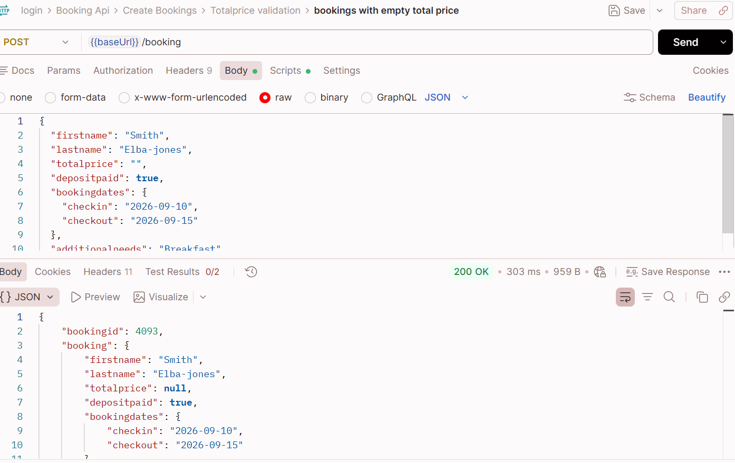 | totalprice is treated as a required numeric field for this test. The API accepts invalid input and creates a booking with a null price.
CB-BUG-013 | CB-TC-004 | Booking API | POST /booking | Empty firstname is accepted | API endpoint is available and accessible. All other request fields contain valid values. | { "firstname": "", "lastname": "Elba-Jones", "totalprice": 150, "depositpaid": true, "bookingdates": { "checkin": "2026-09-10", "checkout": "2026-09-15"}, "additionalneeds": "Breakfast" } | 1. Open Postman. 2. Select POST method. 3. Enter the /booking endpoint. 4. Add a valid booking request body. 5. Set firstname to an empty value. 6. Verify that all other request fields contain valid values. 7. Click Send. 8. Verify the response status code. 9. Verify whether a bookingid is generated. 10. Verify the returned firstname value. | API should reject an empty firstname with an appropriate client-error response and should not create a booking. | API returned 200 OK and accepted the request with an empty firstname. | High | High | Open |  | firstname is treated as a required field in the test specification. The API accepts an empty value instead of validating and rejecting it.
CB-BUG-014 | CB-TC-009 | Booking API | POST /booking | Empty lastname is accepted | API endpoint is available and accessible. All other request fields contain valid values. | { "firstname": "Henry", "lastname": "", "totalprice": 150, "depositpaid": true, "bookingdates": { "checkin": "2026-09-10", "checkout": "2026-09-15"}, "additionalneeds": "Breakfast" } | 1. Open Postman. 2. Select POST method. 3. Enter the /booking endpoint. 4. Add a valid booking request body. 5. Set lastname to an empty value. 6. Verify that all other request fields contain valid values. 7. Click Send. 8. Verify the response status code. 9. Verify whether a bookingid is generated. 10. Verify the returned lastname value. | The API should validate the empty lastname field and return an appropriate client-error response. A booking should not be created. | API returned 200 OK and accepted the request with an empty lastname. | High | High | Open | 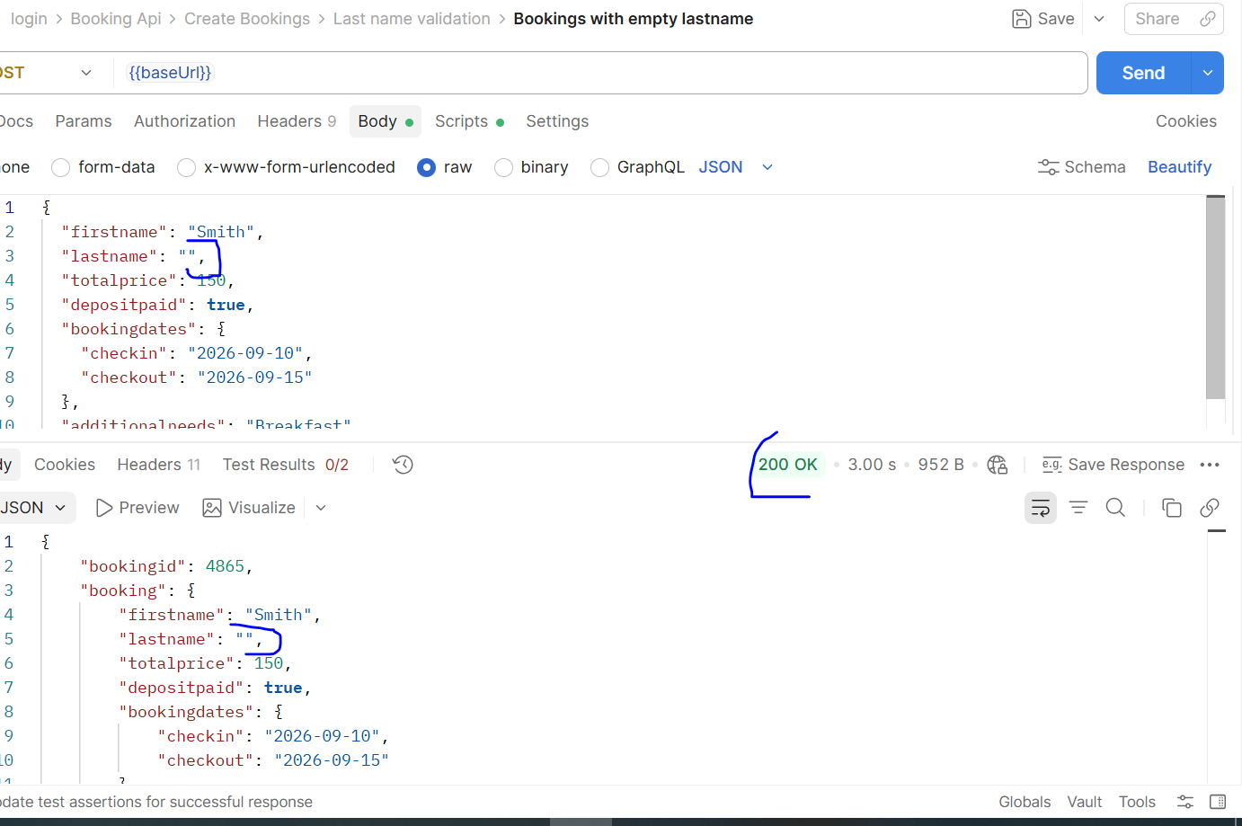 | lastname is treated as a required field in the test specification. The API accepts an empty value instead of validating and rejecting it.
CB-BUG-015 | CB-TC-019 | Booking API | POST /booking | Empty depositpaid accepted and converted to false | API endpoint is available and accessible. All other request fields contain valid values. | "depositpaid": "" | 1. Open Postman. 2. Select POST method. 3. Enter {{baseUrl}}/booking. 4. Add valid booking data. 5. Set depositpaid to an empty string. 6. Send the request. 7. Verify the status code and returned depositpaid value. | The API should reject an empty depositpaid value and require an explicit Boolean value (true or false) before creating the booking. | The API returns 200 OK, generates booking ID 6059, and converts the empty value to false. | High | High | Open |  | The API accepts an empty depositpaid value, converts it to false, and creates a booking. This may indicate a validation issue; confirmation is required because no formal API requirement is available.
CB-BUG-016 | CB-TC-003, CB-TC-007 | Booking API | POST /booking | Numeric and special-character values are accepted in the firstname and lastname fields | API endpoint is available and accessible. All other request fields contain valid values. | firstname / lastname: "john1237", "1243", "@1#%$" | 1. Open Postman. 2. Select the POST method. 3. Enter the /booking endpoint. 4. Add a valid booking request body. 5. Set firstname or lastname to an invalid value (e.g., "john1237", "1243", or "@1#%$"). 6. Verify that all other request fields contain valid values. 7. Click Send. 8. Verify the response status code. 9. Verify whether a booking ID is generated. 10. Verify the returned value of the field being tested. | The API should reject unsupported firstname and lastname values and return an appropriate validation error without creating a booking. | The API returned 200 OK and generated a booking ID when numeric and special-character values were supplied in either field. | High | High | Open | 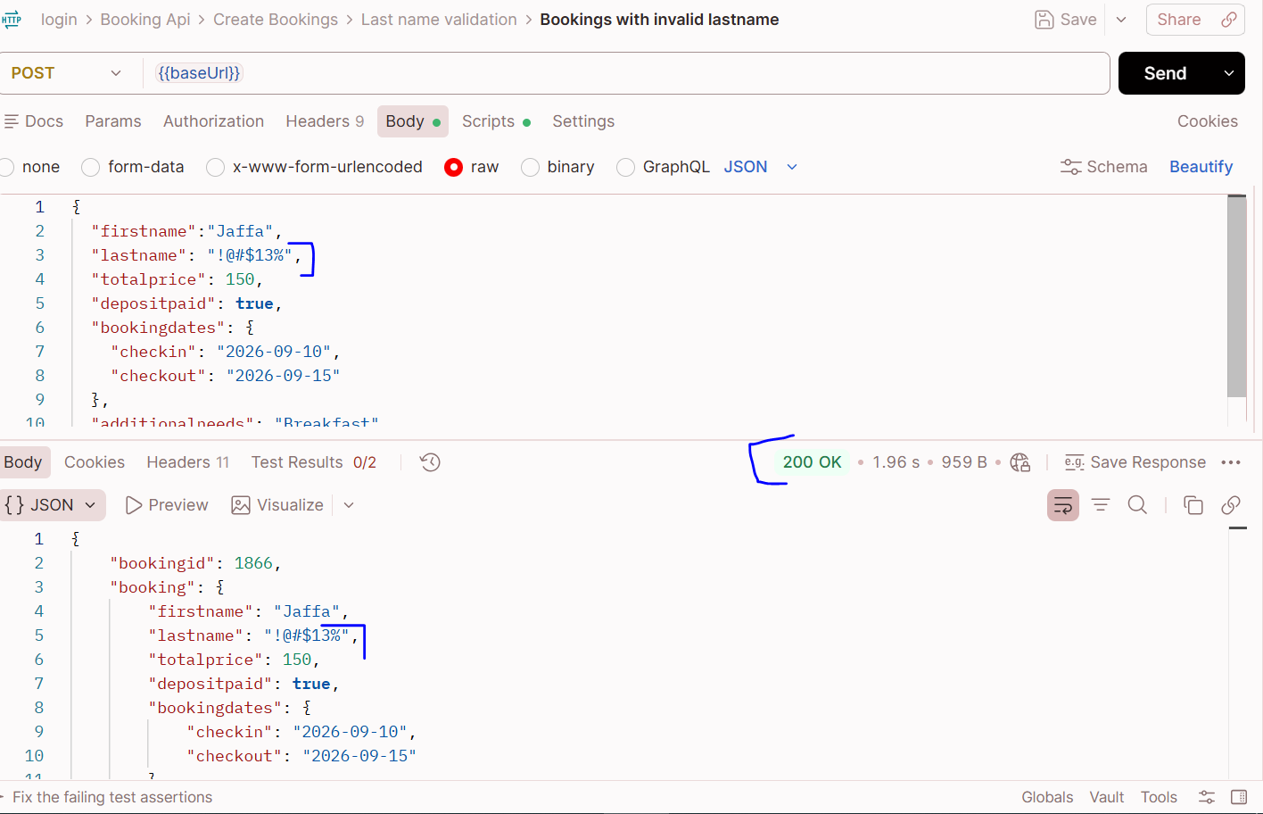 | The API accepts numeric and special-character values in both name fields and creates a booking. This may indicate a validation issue; confirmation is required because no formal API requirement is available.
CB-BUG-017 | CB-TC-011 | Booking API | POST /booking | Negative value is accepted in the totalprice field | API endpoint is available and accessible. All other request fields contain valid values. | totalprice: -150 | 1. Open Postman. 2. Select the POST method. 3. Enter the /booking endpoint. 4. Add a valid booking request body. 5. Set totalprice to -150. 6. Verify that all other request fields contain valid values. 7. Click Send. 8. Verify the response status code. 9. Verify whether a booking ID is generated. 10. Verify the returned totalprice value. | The API should reject a negative totalprice value and return an appropriate validation error without creating a booking. | The API returned 200 OK, generated a booking ID, and returned totalprice as -150. | High | High | Open | 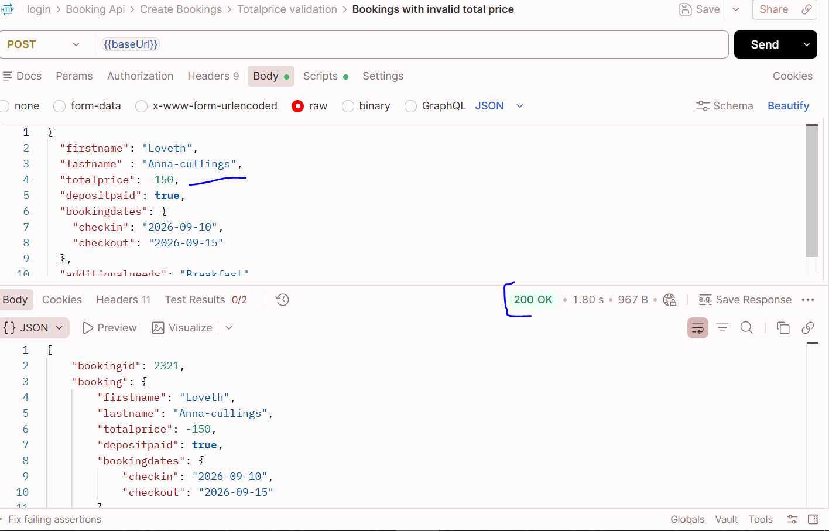 | The API accepts a negative totalprice value and creates a booking. This may indicate a validation issue; confirmation is required because no formal API requirement is available.
CB-BUG-018 | CB-TC-017 | Booking API | POST /booking | Verify that depositpaid rejects string data types. | API endpoint is available and accessible. All other request fields contain valid values. | "depositpaid": "true" | 1. Open Postman. 2. Select the POST method. 3. Enter the /booking endpoint. 4. Add a valid booking request body. 5. Set depositpaid to the string value "true". 6. Verify that all other request fields contain valid values. 7. Click Send. 8. Verify the response status code. 9. Verify whether a booking ID is generated. 10. Verify whether the API accepts the string value and converts it to a Boolean in the response. | 400 Bad Request with a validation error. Booking should not be created, and no booking ID should be generated. | 200 OK returned. A booking ID was generated, and the API converted the string "true" to Boolean true in the response. | High | High | Open | 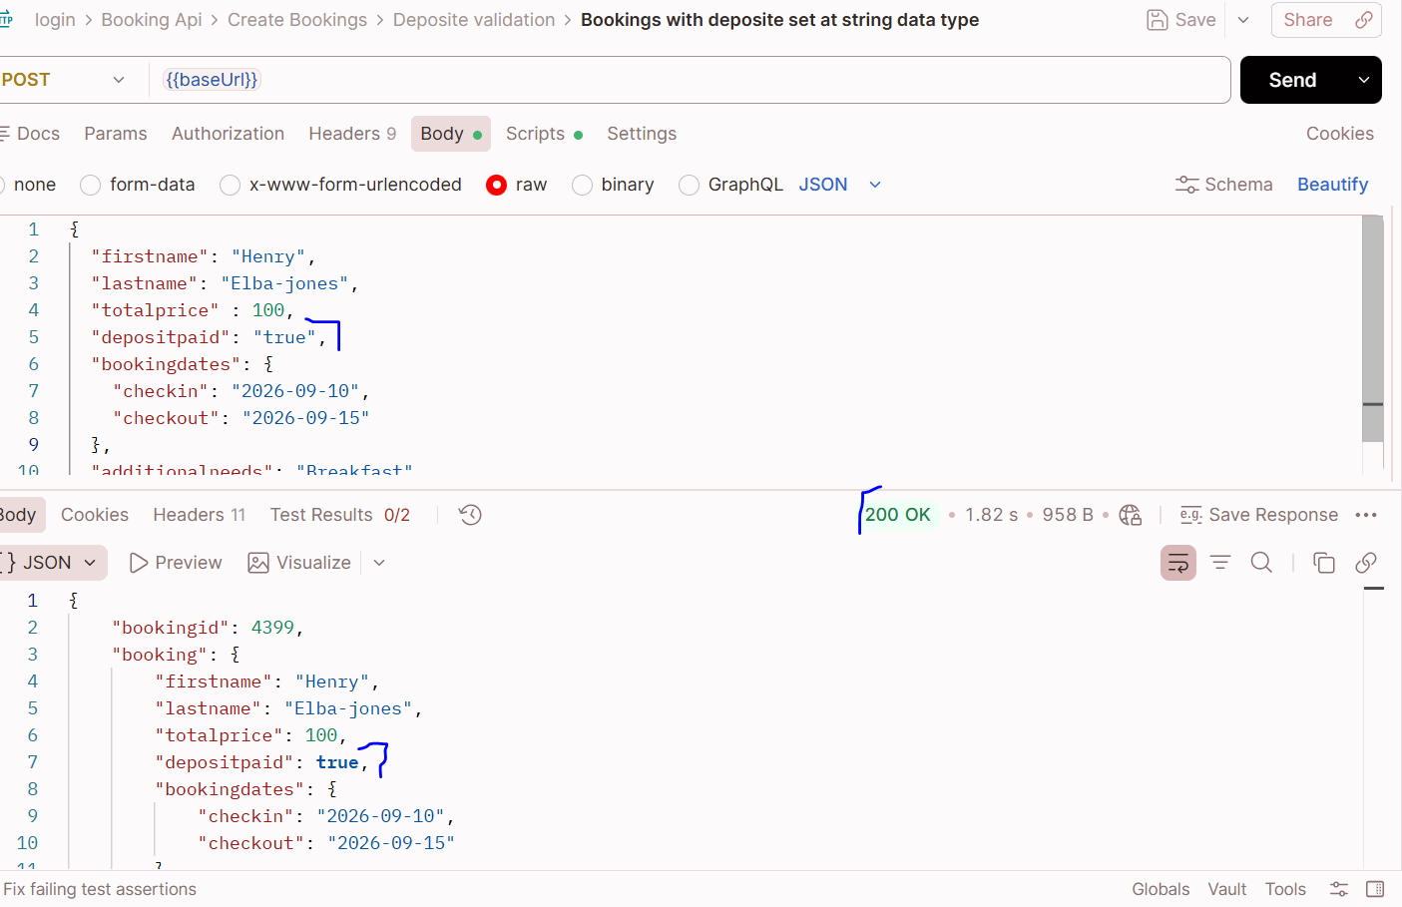 | Test assumption: depositpaid should accept only JSON Boolean values. The API accepted a string and converted it to a Boolean. Confirm the expected validation behavior against the API requirements before classifying this as a confirmed defect.
CB-BUG-019 | CB-TC-018 | Booking API | POST /booking | Numeric value is accepted for the depositpaid Boolean field | API endpoint is available and accessible. All other request fields contain valid values. | "depositpaid": 1, | 1. Open Postman. 2. Select the POST method. 3. Enter the Restful Booker /booking endpoint. 4.Select Body → raw → JSON. 5. Enter the test data above, using the numeric value 1 for depositpaid. 6. Click Send to submit the request. 7. Verify the HTTP response status code. 8. Examine the response body to check whether a booking ID is generated. 9. Verify whether the API accepts the numeric value and converts it to Boolean true in the response. | The API should reject depositpaid: 1 with an appropriate validation error because depositpaid is expected to contain a JSON Boolean value (true or false). No booking should be created. | The API returned 200 OK, generated a booking ID, and converted the numeric value 1 to Boolean true in the response. | High | High | Open | 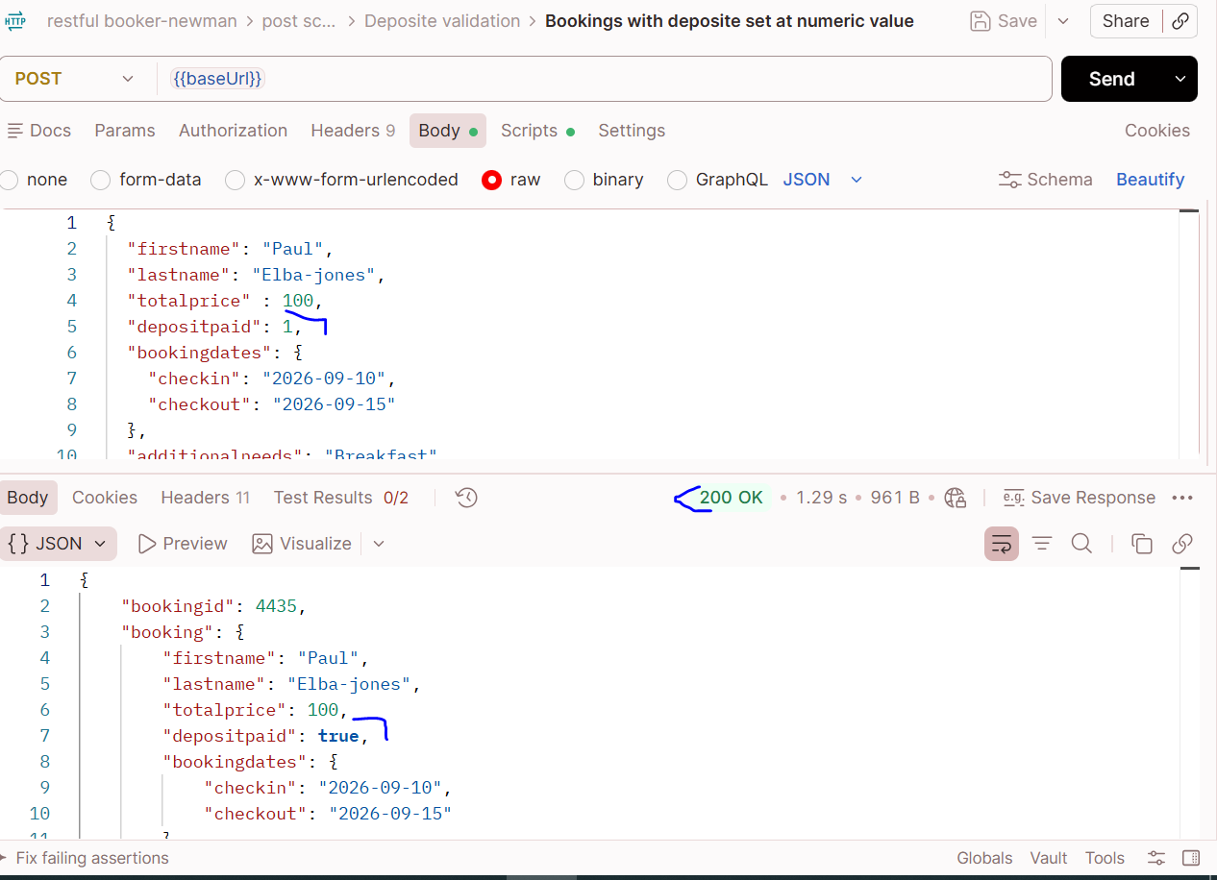 | Test assumption: depositpaid should accept only JSON Boolean values. The API accepted a numeric value and converted it to a Boolean. Confirm the expected validation behavior against the API requirements before classifying this as a confirmed defect.
CB-BUG-020 | CB-TC-030 | Booking API | POST /booking | API accepts a numeric value in the additionalneeds field | API endpoint is available and accessible. All other request fields contain valid values. | "additionalneeds": 123 | 1. Open Postman. 2. Select POST. 3. Enter the /booking endpoint. 4. Add valid booking data. 5. Set additionalneeds to the numeric value 123 without quotation marks. 6. Send the request. 7. Check the status code, booking ID, and returned additionalneeds value. | Assuming additionalneeds must be a string, the API should return an appropriate validation error and should not create a booking. | The API returned 200 OK, accepted the numeric value, and created a booking. | Medium | Medium | Open | 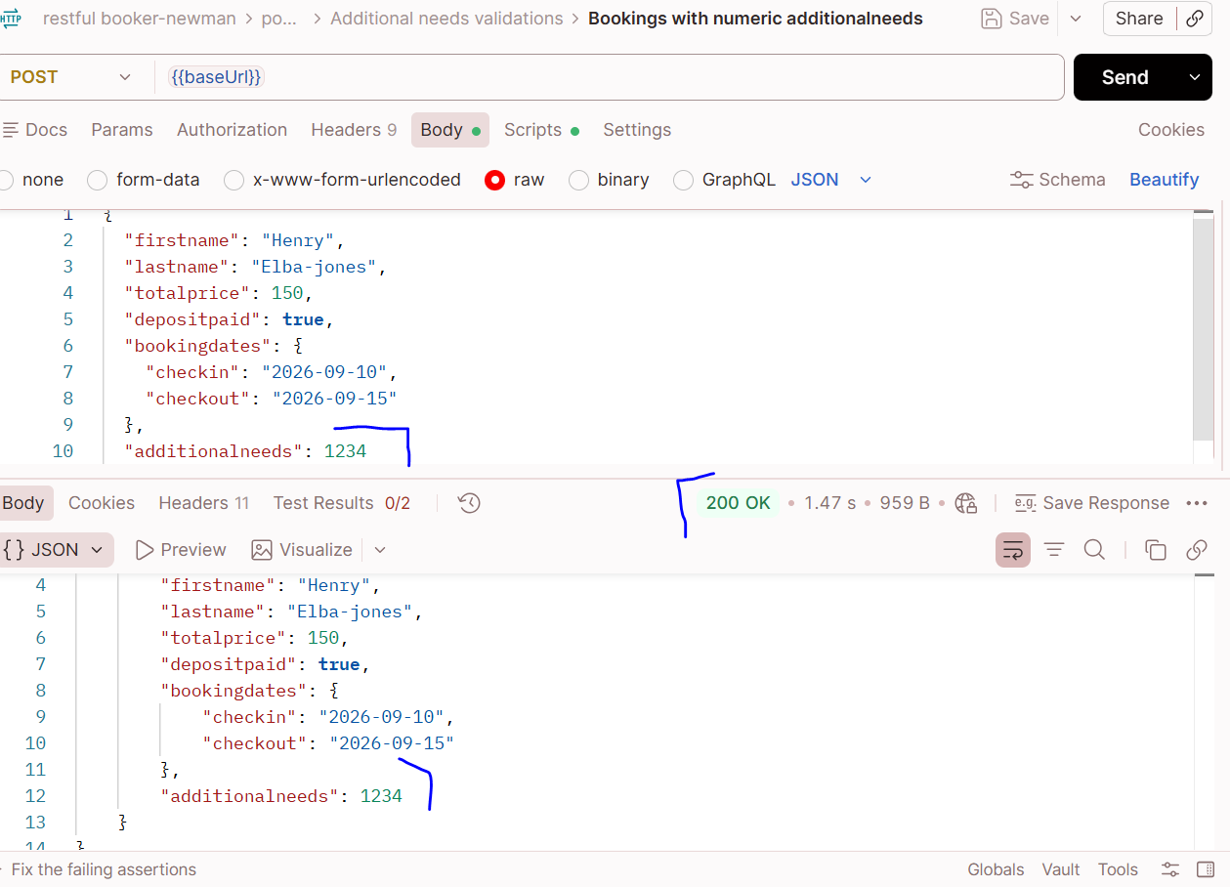 | Test assumption: additionalneeds is expected to contain a string describing the guest's request. Confirm the expected data type against formal API requirements before classifying this as a confirmed defect.
CB-BUG-021 | CB-TC-031 | Booking API | POST /booking | API accepts a Boolean value in the additionalneeds field | API endpoint is available and accessible. All other request fields contain valid values. | "additionalneeds": true | 1. Open Postman. 2. Select POST. 3. Enter the /booking endpoint. 4. Add valid booking data. 5. Set additionalNeeds to the Boolean value true, without quotation marks. 6. Send the request. 7. Verify the response status, booking ID, and returned value. | The API should accept only string values for additionalneeds and return an appropriate validation error when a Boolean value is submitted, without creating a booking. | The API returned 200 OK, generated a booking ID, and accepted the Boolean value. | Medium | Medium | Open | 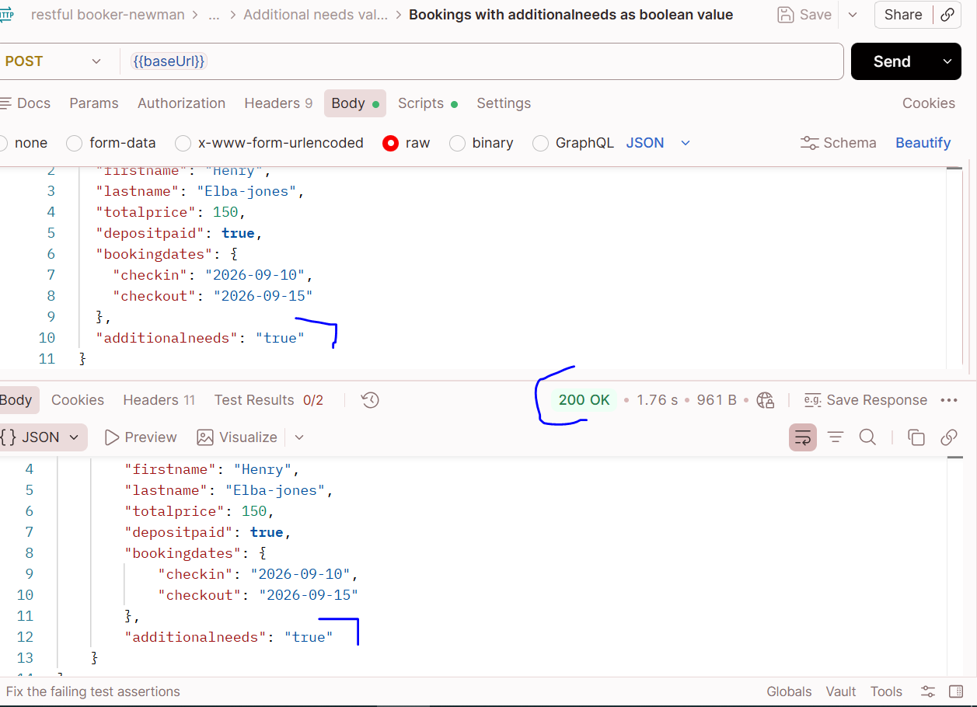 | Test assumption: additionalneeds should contain a string describing the guest's request. Confirm the expected data type against formal API requirements before classifying this as a confirmed defect.

